Test Report
Default Test Run Report

Project Name |  |  | Project 1
User Name |  |  | MTS
Test Name |  |  | MME 3407_S20 50mm Gage Length ASTM E8 Metals Tension (Extensometer-Crosshead) 91
Test Run Name |  |  | Test Run 1
Test Run Date |  |  | 11/5/2021 2:57:28 PM

Test Run Review Graph
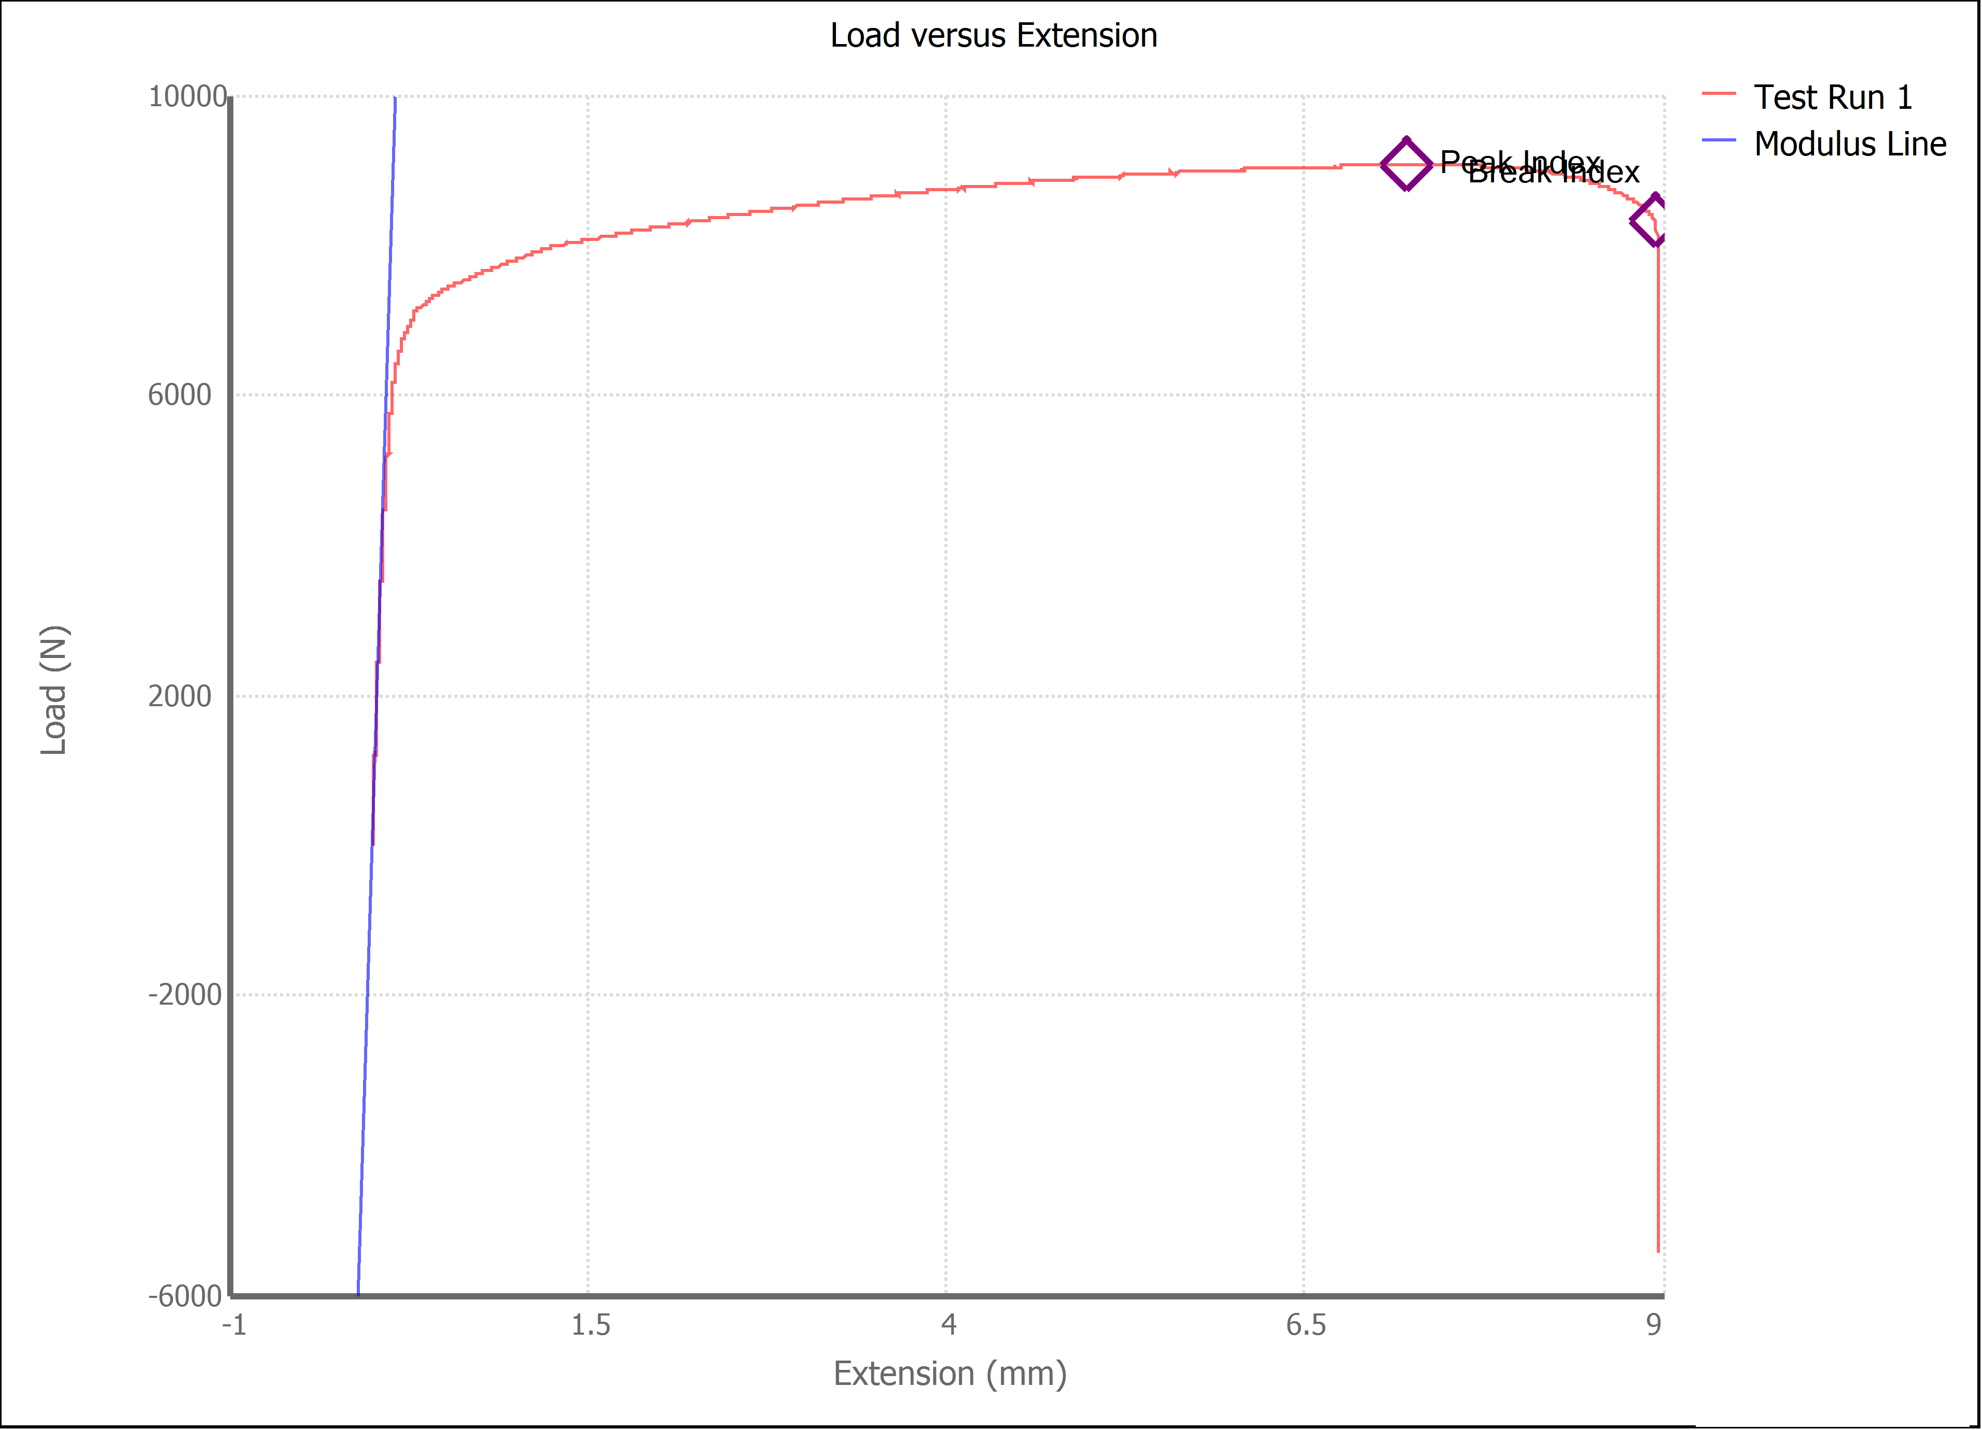

Test Run Results:
Display Name | Value | Unit
Test Run End Reason | Break Detected
Width | 13.590 | mm
Thickness | 3.150 | mm
Final Width | 12.270 | mm
Final Thickness | 2.390 | mm
Test ID | Estefania, Xiadany Aluminum
Initial Marked Gage Length | 50.000 | mm
Maximum Force | 2038.425 | lbf
Maximum Stress | 211.8 | MPa
Elongation at Fracture | 15.315 | %
Elongation after Break | 14.000 | %
Upper Yield strength | 184.421 | MPa
Modulus of Elasticity | 69646.902 | MPa
Yield Strength (Offset = 0.2%) | 156.972 | MPa
Yield Strength (EUL = 0.5%) | 161.038 | MPa
Removal Point | 1.250 | mm
Ultimate Tensile Strength | 211.812 | MPa
Reduction of Area | 31.4965 | %
Lower Yield Strength | #NUM! | MPa
Final Marked Gage Length | 57.000 | mm

